1. Title Page
[Analysis of Customer Buying Behavior]

Project Name: Analysis of Customer Buying Behavior
Date: 18 January 2024
Analyst Name: Saltanat Tulegabylova

Contents:
Population Flow
Consistency checks
Wrangling steps
Column derivations
Visualizations
Recommendations

2. Population Flow
 | Title page

Population flow

Exclusion flag
Condition: max_order <
Obervations to be removed:
Final total count of order_products_all:

Orders_products_combined
Orders_products_merged
Orders_products_all

35,905,244
36111453
35, 855, 572
36, 111, 458

1.) The grey boxes in the first row of the population flow represent the original data sets as they were when you downloaded them. In the Total fields you need to add the count of the rows when you imported the data set into Jupyter.
2.) The second row of boxes (coloured) represents the data sets after you manipulated them, e.g., removed missing values and duplicates. In the Total fields you need to add the count of the rows after conducting these operations. This offers a visual oveview of how the data flows throughout the data consistency checks.
3.) The third row, where also the arrows are coloured, represents the merges you performed between the datasets. In the Total fields you need to add the count of the rows in the merged datasets, so that you end up with the final dataset (in the red box). Keep in mind the final dataset should be without exclusions (based on the exclusion flag).

3. Consistency checks
 |  |  |  | Title page
Consistency checks

Dataset | Missing values | Missing values treatment | Duplicates
orders
products | 16 missing 'product_name' values | removed | 5 duplicates removed
orders_products_prior
customers

4. Wrangling steps
 |  |  |  | Title page
Wrangling steps

Columns dropped | Columns renamed | Columns' type changed | Comment/Reason
eval_set |  |  | Not needed
 | orders_dow to orders_day_of_week |  | made it more readeable
 | order_hour_of_the_day to hour_of_day_ordered |  | made it more readeable
 |  | order _id | Changed to string
 |  | user_id | Changed to string
first_name |  |  | Removed personally identifyable information
last_name |  |  | Removed personally identifyable information

5. Column derivations
 |  |  |  | Title page

Column derivations and aggregations

In this tab you should add tables below that the frequences of flags/label variables that you produced after deriving them. NB: don't do this for continuous variables, only for flags.
Dataset | New column | Column/s it was derived from | Conditions
ords_prods_merge | price_range | prices | <=5 is low-range product > 5 to <= 15 mid-range product > 15 high-range product
ords_prods_merge | busiest_day | order_dow | "0 = busiest day 4 = least busy else = regular busy"
ords_prods_merge | busiest_peroid_of_the_day | hour_of_day_ordered | 10, 11, 14, 15, 13, 12, 16, 9 = Most orders 23, 6, 0, 1, 5, 2, 4, 3 = Fewest orders else = Average orders
ords_prods_merge_updated | loyalty_flag | max_order | > 40 = Loyal customer > 10 to <= 40 = Regular customer <= 10 = New customer
ords_prods_merge_updated | spender_flag | mean_spend | > 10 = Low spender <= 10 = High spender
ords_prods_merge_updated | order_frequency_flag | median_order_frequency | > 20 = Non-frequent custome > 10 to <= 20 = Regular customer <= 10 = Frequent custome
ords_prods_customers_latest | Region | state | States were classified by region depending on values from a wikipedia page
ords_prods_customers_latest | age_flag | age | >= 39 = Young Adult < 39 to <= 59 = Middle aged Adult >= 60 = Old Adult
ords_prods_customers_latest | dependants_flag | n_dependants | 0 dependants = no children 1 or more dependants = has children

6. Visualizations
 |  |  |  |  |  |  |  |  | Title page

Visualisations

In this tab you should include all the visualtions from Exercises 4.9 and 4.10, alongside the questions from the project brief that they answer. Include any commentary on the relationship between different variables.

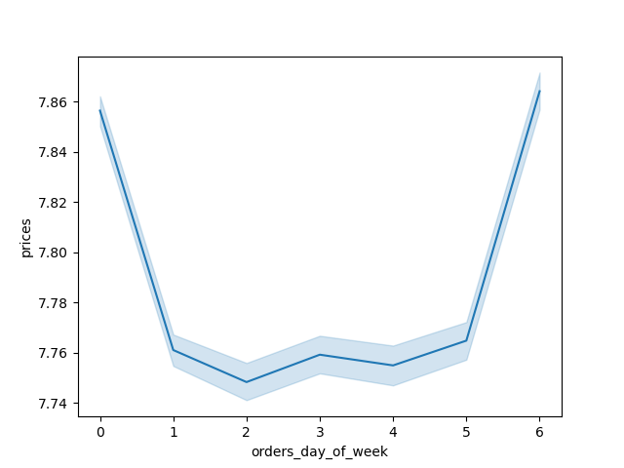

 |  |  |  |  |  |  |  | 4.9 Orders week of the day vs. prices.
 |  |  |  |  |  |  |  | The line chart shows that the most orders and expenditures are made on weekends (0. Sunday. 6. Saturday)



 |  |  |  |  |  |  |  | 4.9. Peak hours of orders
 |  |  |  |  |  |  |  | Peak hours:between 10am - 4pm; Most orders: 10am, 11am, 1 pm, 2pm and 3pm; Minimum orders: between 12am to 5am.

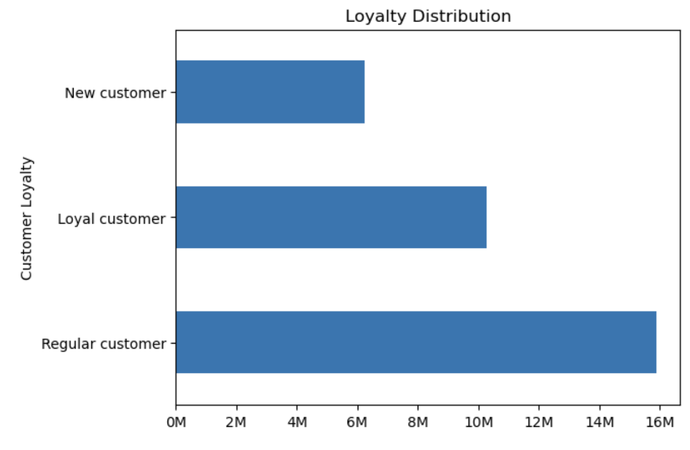

 |  |  |  |  |  |  |  | 4. 9 Distribution of orders among customers in terms of loyalty
 |  |  |  |  |  |  |  | The most orders are made by Regular Customers: 49%. Least orders are made by new customers: 19%

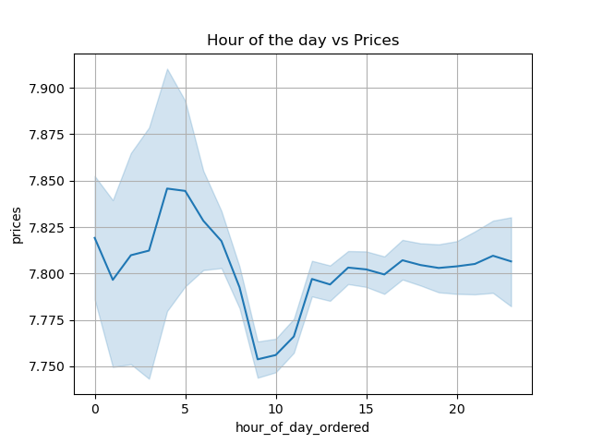

 |  |  |  |  |  |  |  | 4.9 Hours if the day vs Prices
 |  |  |  |  |  |  |  | Expences are highest at 4am

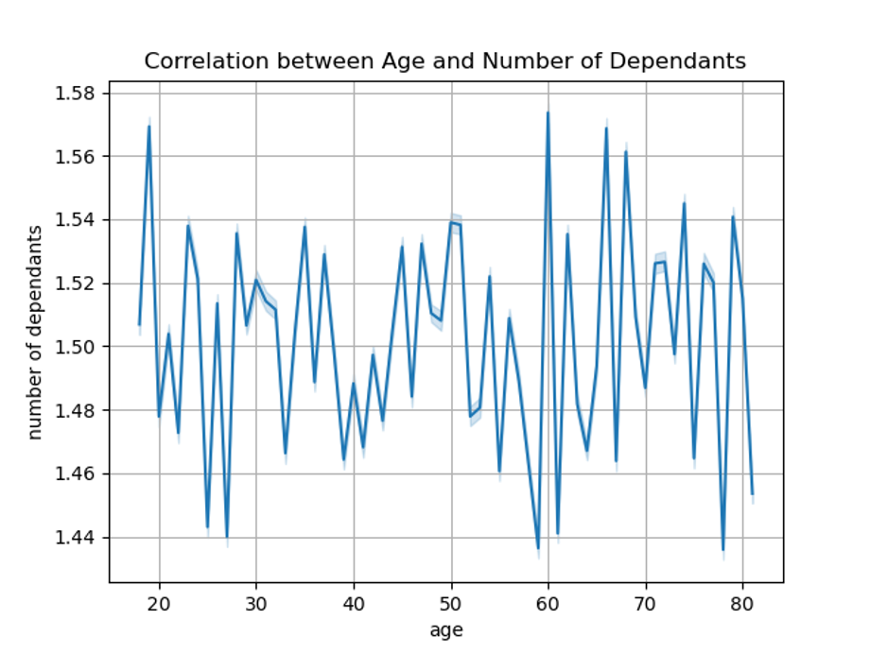

 |  |  |  |  |  |  |  | 4.9. Correlation between Ang and Number of Dependants
 |  |  |  |  |  |  |  | There is no correlation

 |  |  |  |  |  |  |  | 4.9. Age and spending power
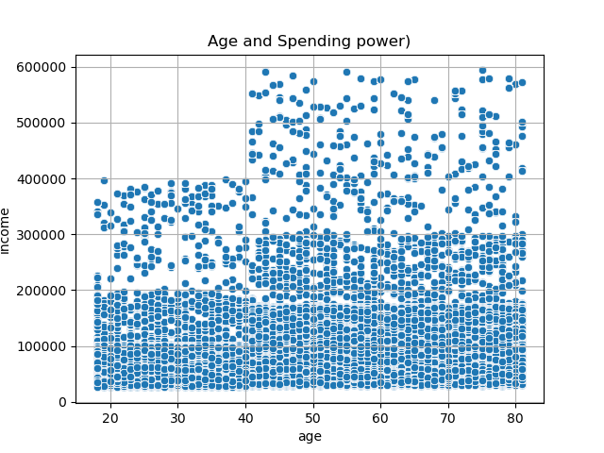 |  |  |  |  |  |  |  | Individuals under the age of 40 generally exhibit lower spending power in comparison to those aged 40 and above. The majority of customers between the ages of 20 and 40 report incomes up to 200 000 with a minimal percentage reaching 400 000. On the other hand, the majority of customers above age 40 have incomes around 300 000, while the remaining portion reports earnings up to 600 000.

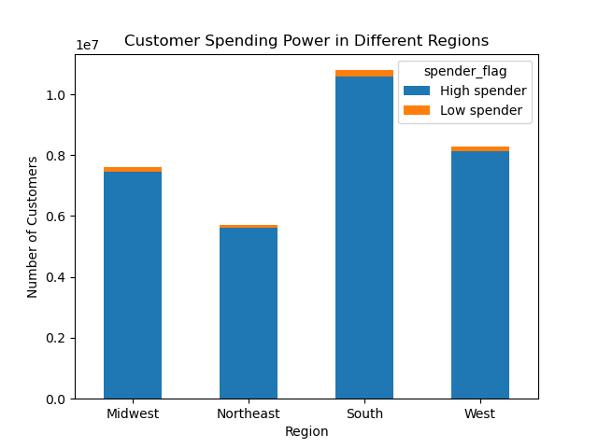
 |  |  |  |  |  |  |  | 4.10. Customer spending power in different regions
 |  |  |  |  |  |  |  | South Region considered as a high spender

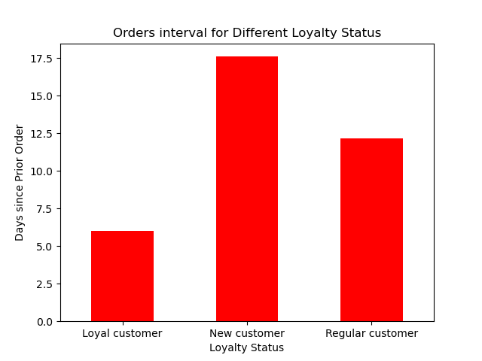
 |  |  |  |  |  |  |  | 4.10 Orders interval for Different Loyalty Status
 |  |  |  |  |  |  |  | New customers are tend to order more frequently after the first order

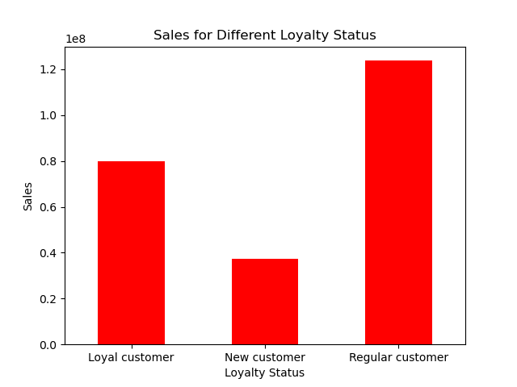

 |  |  |  |  |  |  |  | 4.10. Sales for different loyalty status
 |  |  |  |  |  |  |  | Regular customers are tend to spend more on orders

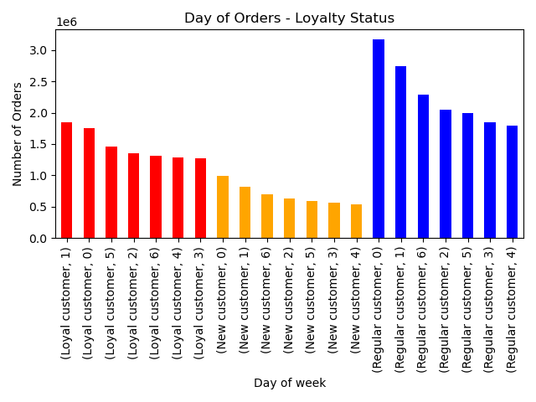
 |  |  |  |  |  |  |  | 4.10 Day of oders vs loyalty status
 |  |  |  |  |  |  |  | Loyal customers are tend to make orders on Monays and Sundays whereas New customers and Regular customers are tend to order on weekends.

 |  |  |  |  |  |  |  | New customers make orders mostly between 1-3 pm
 |  |  |  |  |  |  |  | Loyal customers are tend to make orders from 9 am to 11 am
 |  |  |  |  |  |  |  | Regular customers make most orders between 10-11 am and 14`pm

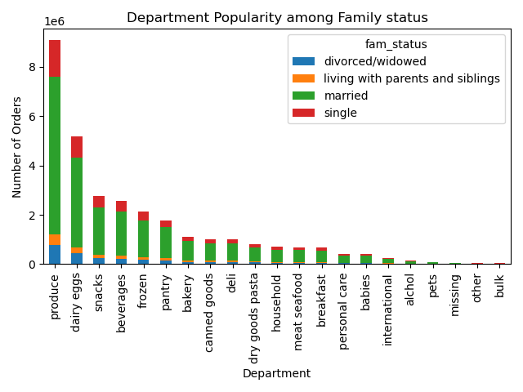
 |  |  |  |  |  |  |  | 4.10 Departmnet popularity among customers different family statuses
 |  |  |  |  |  |  |  | Most popular departmnets among customers are "produce", '"dairy eggs" and snacks

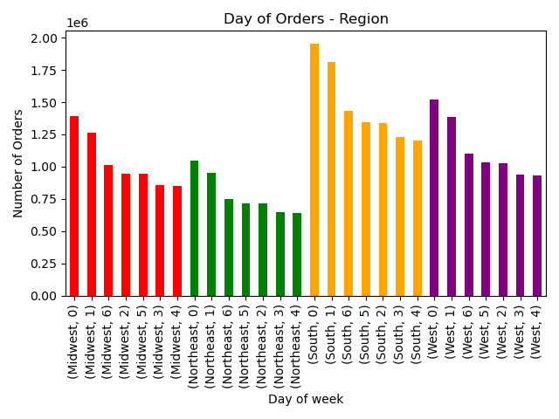
 |  |  |  |  |  |  |  | 4.10 Days of orders among different regions
 |  |  |  |  |  |  |  | According to the chart weekends are the days with most orders.
 |  |  |  |  |  |  |  | All regions are tend to order between 10-11 am and 14-15 pm during the day.

 | Region | Midwest | Northeast | South | West | 4.10. Most popular departmnets in different regions.
 | department_name
 | alchol | 34043 | 25017 | 48813 | 36754
 | babies | 95741 | 72712 | 139511 | 102428
 | bakery | 261753 | 199300 | 371620 | 288155
 | beverages | 598979 | 462929 | 859419 | 650574
 | breakfast | 156155 | 117904 | 223172 | 173619
 | bulk | 7929 | 5599 | 11180 | 8743
 | canned goods | 237459 | 176936 | 337458 | 260221
 | dairy eggs | 1212490 | 914616 | 1723016 | 1327060
 | deli | 234464 | 178398 | 333620 | 257352
 | dry goods pasta | 193463 | 143817 | 272813 | 212043
 | frozen | 498225 | 370436 | 709906 | 543164
 | household | 166992 | 124604 | 230061 | 178200
 | international | 60666 | 44678 | 84649 | 65998
 | meat seafood | 158260 | 118571 | 224120 | 173830
 | missing | 15563 | 11512 | 21787 | 15906
 | other | 7983 | 6268 | 11579 | 8581
 | pantry | 420334 | 312731 | 591754 | 457886
 | personal care | 100398 | 74765 | 142496 | 106647
 | pets | 21358 | 17734 | 29909 | 24059
 | produce | 2134115 | 1593004 | 3027476 | 2324678
 | snacks | 645143 | 493154 | 916780 | 711329

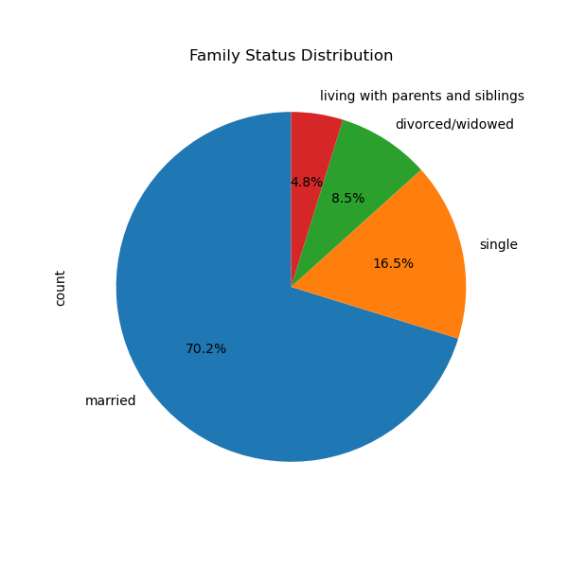
 |  |  |  |  |  |  | 4.10 Family status distribution

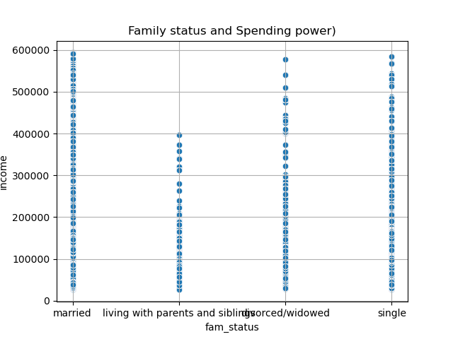

 |  |  |  |  |  |  | 4.10 Family Status and sepnding power
 |  |  |  |  |  |  | Married customers are tend to spend the most

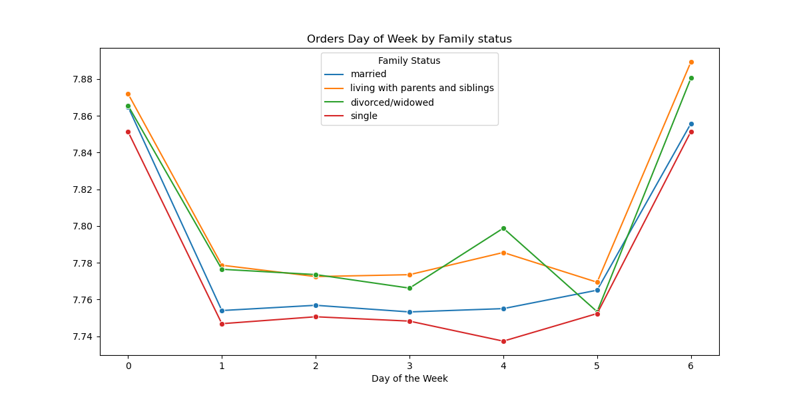
 |  |  |  |  |  |  |  | 4.10 Orders day of week by Family status
 |  |  |  |  |  |  |  | All of the customers are tend to order on weekends. Worth to mention that Divorced/widowed adults and those who live with parents also order on Thursdays

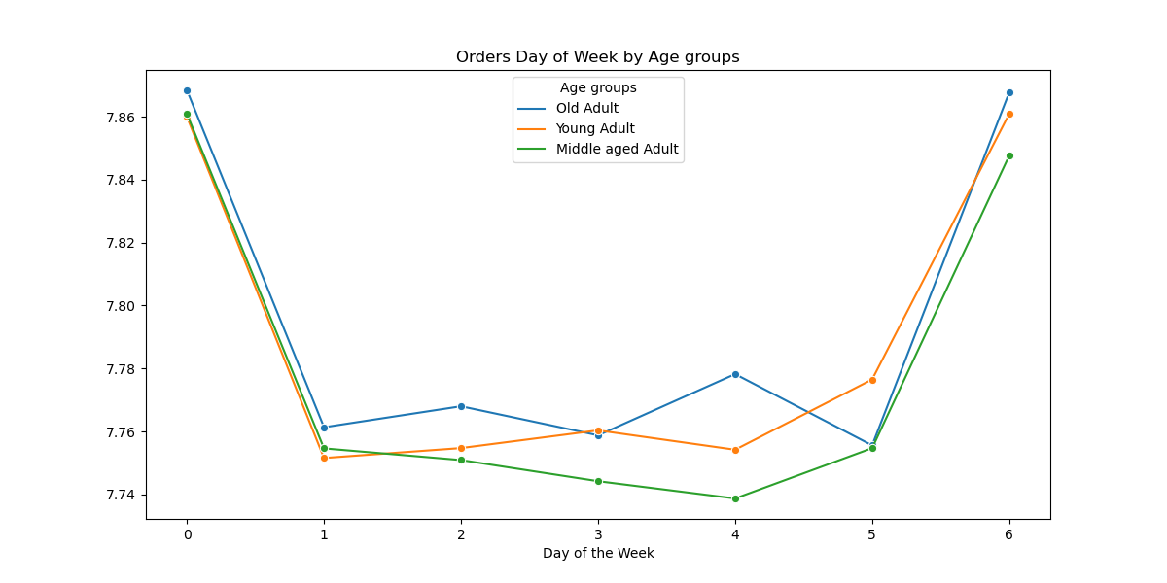

 |  |  |  |  |  |  |  | 4.10 Orders day of week by Age groups
 |  |  |  |  |  |  |  | According to the chart all customers as it was mentioned before are tend to make most orders on weekends.

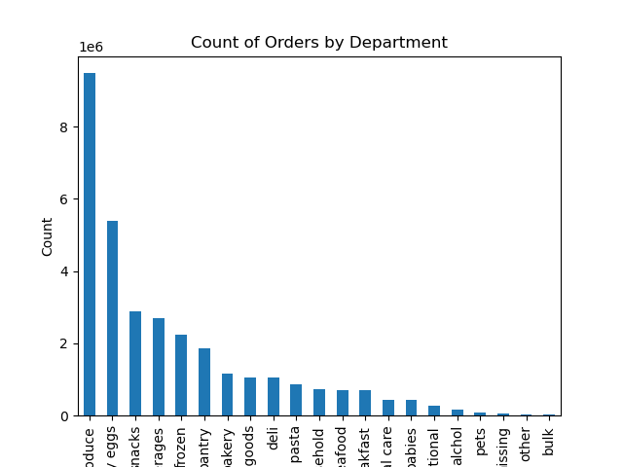
 |  |  |  |  |  |  |  | 4.10. Count of orders by departmnet

7. Recommendations
 |  |  | Title page

Recommendations

The primary customer demographic for Instacart online grocery shop comprises married middle-aged adults with dependents in the South region, who predominantly place orders during weekends. Their favorite departments include produce, dairy/egg, and snacks. To effectively target this segment, the marketing strategy should focus on personalized promotions tailored to their preferences. Additionally, optimizing their website for a user-friendly experience is crucial.
To boost weekday orders, it is recommended implementing the following strategies:
- Offer exclusive discounts, promotions, or bundled deals specifically for weekdays to incentivize customers.
- Introduce limited-time flash sales or special offers during weekdays to create a sense of urgency.
-Launch a loyalty program rewarding customers with points and discounts for consistent weekday orders.
These measures aim to not only attract weekday orders but also enhance customer loyalty through targeted promotions and a seamless online shopping experience.

Question | Answer
What are the busiest days of the week?

 |  | According to the chart all customers are tend to make most orders on weekends. (0=Sunday; 6=Saturday)

What the busiest hours of the day?

 |  | Peak hours:between 10am - 4pm; Most orders: 10am, 11am, 1 pm, 2pm and 3pm; Minimum orders: between 12am to 5am.

What products are most popular with customers?

 | Most popular departmnents: Produce, diary.eggs and snacks.

